PUT CALL PARITY
Formula | e |  |  |  |  |  |  |  |  |  |  |  |  |  |  | Arbirtage Startegy
S+P = C+ K*e^-rt | 2.718281 |  |  |  |  |  |  |  |  |  |  |  |  |  |  | Equation1 | S+P>C+K⋅e ^−r(T−t)
 |  |  |  |  |  |  |  |  |  |  |  |  |  |  |  | Equation2 | S+P<C+K⋅e ^−r(T−t)

Ticker | Volm | C=Call Price | Ticker | Volm | P=Put Price | S=Stock Price | K=Strike Price | r=Risk-Free Rate | (t)=Time to Maturity (9 Trading days/252 Trading days ) | S+P | e^(-r*t) | K*e^(-rt) | C+K*e^-rt | Violation of Put-Call parity | Proving Put Call Parity is true | Difference | Fair Price of Put option P=C+K*e^-rt-S | Arbirtage Startegy
WBA 11/15/24 C7.5 | 5 | 1.9499998093 | WBA 11/15/24 P7.5 | 3 | 0.019999999553 | 9.62 | 7.5 | 4.6975% | 0.035714285714 | 9.6399999996 | 0.99832372846 | 7.4874279634 | 9.4374277727 | YES | FALSE | 0.20257222687 | -0.18257222732 | Premium of Put is Overvalued Select Equation 1
WBA 11/15/24 C8.5 | 4 | 1.0600004196 | WBA 11/15/24 P8.5 | 33 | 0.050000000745 | 9.62 | 8.5 | 4.6975% | 0.035714285714 | 9.6700000007 | 0.99832372846 | 8.4857516919 | 9.5457521115 | YES | FALSE | 0.12424788926 | -0.074247888515 | Premium of Put is Overvalued Select Equation 1
WBA 11/15/24 C9 | 661 | 0.64999997616 | WBA 11/15/24 P9 | 225 | 0.12000000477 | 9.62 | 9 | 4.6975% | 0.035714285714 | 9.7400000048 | 0.99832372846 | 8.9849135561 | 9.6349135323 | YES | FALSE | 0.10508647251 | 0.014913532254 | Premium of Put is Overvalued Select Equation 1
WBA 11/15/24 C9.5 | 3153 | 0.40000003576 | WBA 11/15/24 P9.5 | 205 | 0.30000001192 | 9.62 | 9.5 | 4.6975% | 0.035714285714 | 9.9200000119 | 0.99832372846 | 9.4840754203 | 9.8840754561 | YES | FALSE | 0.035924555835 | 0.26407545609 | Premium of Put is Overvalued Select Equation 1
WBA 11/15/24 C10 | 5651 | 0.20999997854 | WBA 11/15/24 P10 | 83 | 0.56000000238 | 9.62 | 10 | 4.6975% | 0.035714285714 | 10.180000002 | 0.99832372846 | 9.9832372846 | 10.193237263 | YES | FALSE | 0.013237260709 | 0.57323726309 | Premuim of Put is Undervalued Select Equation 2
WBA 11/15/24 C10.5 | 2660 | 0.069999992847 | WBA 11/15/24 P10.5 | 16 | 1.0399999619 | 9.62 | 10.5 | 4.6975% | 0.035714285714 | 10.659999962 | 0.99832372846 | 10.482399149 | 10.552399142 | YES | FALSE | 0.10760082023 | 0.93239914163 | Premium of Put is Overvalued Select Equation 1
WBA 11/15/24 C11 | 13 | 0.019999999553 | WBA 11/15/24 P11 | 3 | 1.720000267 | 9.62 | 11 | 4.6975% | 0.035714285714 | 11.340000267 | 0.99832372846 | 10.981561013 | 11.001561013 | YES | FALSE | 0.33843925447 | 1.3815610126 | Premium of Put is Overvalued Select Equation 1

Steps to Calculate Arbitrage Profit: Arbitrage Strategy: When S+P>C+K⋅e ^−r(T−t) (Put Price is Overvalued)
Theoretical Put Price < Last Traded Put Price
Buy a Call Option.
Invest the Strike Price (K) at the risk-free rate to accumulate K at expiration.
Sell a Put Option.
Short the Stock at the current market price to protect yourself from losing money if the stock price drops.
Expiration Scenarios:
If Stock Price > Strike Price:
The put option expires worthless.
The call option is exercised, and the stock is repurchased using the call.
The invested amount matures to K, which is used to repay the borrowed stock.
If Stock Price < Strike Price:
The call option expires worthless.
The put option is exercised by the buyer, and the stock is purchased from them at the strike price.
The borrowed stock is returned, and the invested amount matures to K.
Steps to Calculate Arbitrage Profit: Arbitrage Strategy: When S+P<C+K⋅e ^−r(T−t) (Put Price is Undervalued)
Theoretical Put Price > Last Traded Put Price
Sell a Call Option.
Buy a Put Option.
Borrow Cash Equivalent to the Present Value of the Strike Price (K) and short-sell K.
Buy the Stock at the current spot price.
Expiration Scenarios:
If Stock Price > Strike Price:
The call option is exercised by the buyer, and the stock is sold for K.
The proceeds of K are used to repay the borrowed amount.
If Stock Price < Strike Price:
The put option is exercised, and the stock is sold at the strike price K.
The proceeds of K are used to repay the borrowed amount.

IMPLIED VOLATILITY
IMPLIED VOLATILITY (CALL OPTIONS)
IMPLIED VOLATILITY (PUT OPTIONS)
Calls
Ticker | K/Strike | Mid Price | Volm | S=Stock Price | r=Risk-Free Rate | D1 | D2 | Theoretical Call | Implied volatility (Bloomberg) | Implied Volatility (Calculated) | Difference Between Theoritical and traded price
WBA 11/15/24 C7.5 | 7.5 | 1.639999865 | 5 | 9.62 | 4.6975% | 0.31802251968 | 0.21129997041 | 1.6400371066 | 0.00% | 56.47% | 0.00
WBA 11/15/24 C8.5 | 8.5 | 1.11500022 | 4 | 9.62 | 4.6975% | 0.20415446155 | 0.068055554907 | 1.1150119468 | 56.41% | 72.02% | 0.00
WBA 11/15/24 C9 | 9 | 0.694999995 | 661 | 9.62 | 4.6975% | 0.13221177796 | 0.035846887513 | 0.69501019707 | 52.13% | 50.99% | 0.00
WBA 11/15/24 C9.5 | 9.5 | 0.375 | 3153 | 9.62 | 4.6975% | 0.073562369557 | -0.0066008934385 | 0.37500230575 | 50.66% | 42.42% | 0.00
WBA 11/15/24 C10 | 10 | 0.165000025 | 5651 | 9.62 | 4.6975% | 0.024311844195 | -0.063646296952 | 0.1649920942 | 48.92% | 46.54% | 0.00
WBA 11/15/24 C10.5 | 10.5 | 0.064999995 | 2660 | 9.62 | 4.6975% | -0.014369076176 | -0.132222254 | 0.064985977202 | 49.37% | 62.36% | 0.00
WBA 11/15/24 C11 | 11 | 0.02 | 13 | 9.62 | 4.6975% | -0.045446076096 | -0.2010993253 | 0.019981042739 | 48.69% | 82.36% | 0.00

Put
Ticker | K/Strike | Mid Price | Volm | S=Stock Price | r=Risk-Free Rate | D1 | D2 | Theoretical Put | Implied volatility (Bloomberg) | Implied Volatility (Calculated) | Difference Between Theoritical and traded price
WBA 11/15/24 P7.5 | 7.5 | 0.015 | 3 | 9.62 | 4.6975% | 0.38709154076 | 0.12352136009 | 0.014994014068 | 74.62% | 139.47% | 0.00
WBA 11/15/24 P8.5 | 8.5 | 0.055 | 33 | 9.62 | 4.6975% | 0.21300133468 | 0.055914795531 | 0.055006986629 | 56.78% | 83.12% | 0.00
WBA 11/15/24 P9 | 9 | 0.15000001 | 225 | 9.62 | 4.6975% | 0.14097338799 | 0.020002998732 | 0.15000602514 | 55.26% | 64.01% | 0.00
WBA 11/15/24 P9.5 | 9.5 | 0.33000001 | 205 | 9.62 | 4.6975% | 0.080723722511 | -0.023391421611 | 0.33000075394 | 53.23% | 55.09% | 0.00
WBA 11/15/24 P10 | 10 | 0.61500001 | 83 | 9.62 | 4.6975% | 0.031527515383 | -0.078518749119 | 0.61499404923 | 50.84% | 58.23% | 0.00
WBA 11/15/24 P10.5 | 10.5 | 0.929999855 | 16 | 9.62 | 4.6975% | -0.014123604689 | -0.13262298113 | 0.92998826235 | 0.00% | 62.70% | 0.00
WBA 11/15/24 P11 | 11 | 1.464999675 | 3 | 9.62 | 4.6975% | -0.036492720459 | -0.21255108677 | 1.4649828686 | 50.51% | 93.16% | 0.00

IMPLIED VOLATILITY (COMBINED)

Volatility Trade
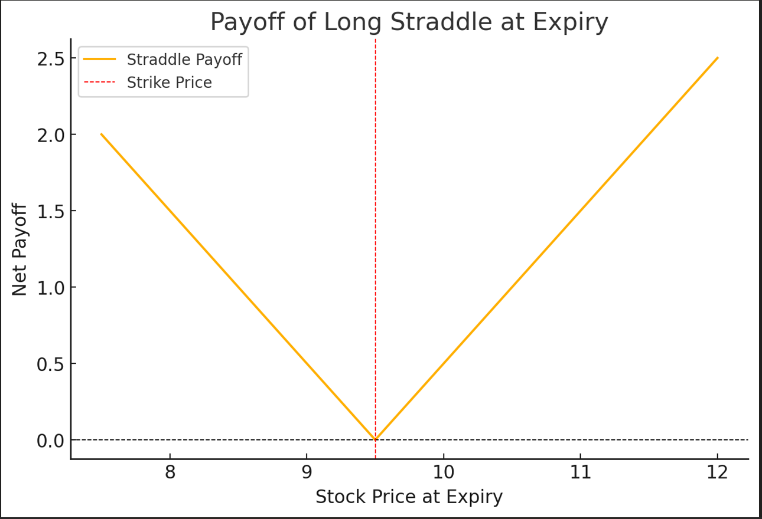
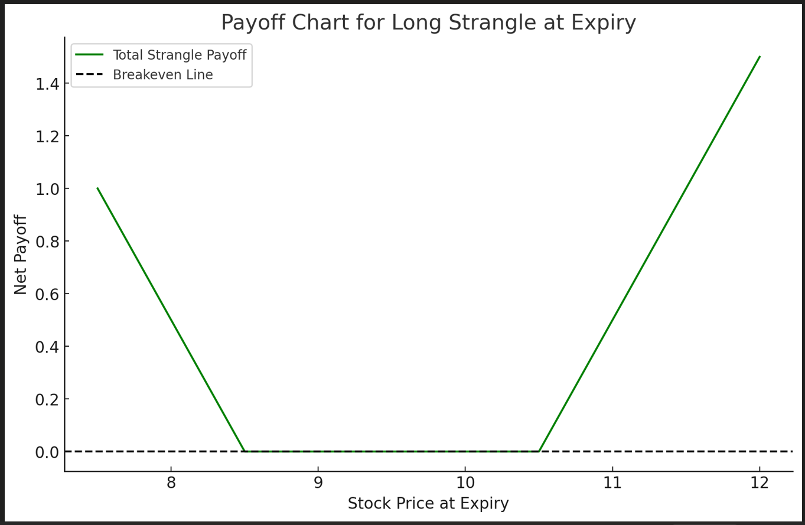
STRADDLE - ATM |  |  |  |  | STRANGLE - OTM
Calls |  |  |  |  | Calls
Stock Price | 9.62 |  |  |  | Stock Price | 9.62
Ticker | K/Strike | Last Price | Payoff |  | Ticker | K/Strike | Last Price | Payoff
WBA 11/15/24 C9.5 | 9.5 | 0.40000004 | 0.12 |  | WBA 11/15/24 C10.5 | 10.5 | 0.06999999 | 0

Put |  |  |  |  | Put
Stock Price | 9.62 |  |  |  | Stock Price | 9.62
Ticker | K/Strike | Last Price | Payoff |  | Ticker | K/Strike | Last Price | Payoff
WBA 11/15/24 P9.5 | 9.5 | 0.30000001 | 0 |  | WBA 11/15/24 P10.5 | 8.5 | 1.03999996 | 8.5

Cost of Straddle=Call Premium+Put Premium |  |  |  |  | Cost of Straddle=Call Premium+Put Premium
0.70000005 |  |  |  |  | 1.10999995

Estimated Stock Price | Strike Price | Call Pay off | Put Pay Off | Total Pay Off | Estimated Stock Price | Call Strike Price | Put Strike Price | Call Pay off | Put Pay Off | Total Pay Off
7.5 | 9.5 | 0 | 2 | 1.29999995 | 7.5 | 10.5 | 8.5 | 0 | 1 | -0.10999995
8 | 9.5 | 0 | 1.5 | 1.50000000 | 8 | 10.5 | 8.5 | 0 | 0.5 | 0.50000000
8.5 | 9.5 | 0 | 1 | 1.00000000 | 8.5 | 10.5 | 8.5 | 0 | 0 | 0.00000000
9 | 9.5 | 0 | 0.5 | 0.50000000 | 9 | 10.5 | 8.5 | 0 | 0 | 0.00000000
9.5 | 9.5 | 0 | 0 | 0.00000000 | 9.5 | 10.5 | 8.5 | 0 | 0 | 0.00000000
10 | 9.5 | 0.5 | 0 | 0.50000000 | 10 | 10.5 | 8.5 | 0 | 0 | 0.00000000
10.5 | 9.5 | 1 | 0 | 1.00000000 | 10.5 | 10.5 | 8.5 | 0 | 0 | 0.00000000
11 | 9.5 | 1.5 | 0 | 1.50000000 | 11 | 10.5 | 8.5 | 0.5 | 0 | 0.50000000
11.5 | 9.5 | 2 | 0 | 2.00000000 | 11.5 | 10.5 | 8.5 | 1 | 0 | 1.00000000
12 | 9.5 | 2.5 | 0 | 2.50000000 | 12 | 10.5 | 8.5 | 1.5 | 0 | 1.50000000

HP and Risk Free rate
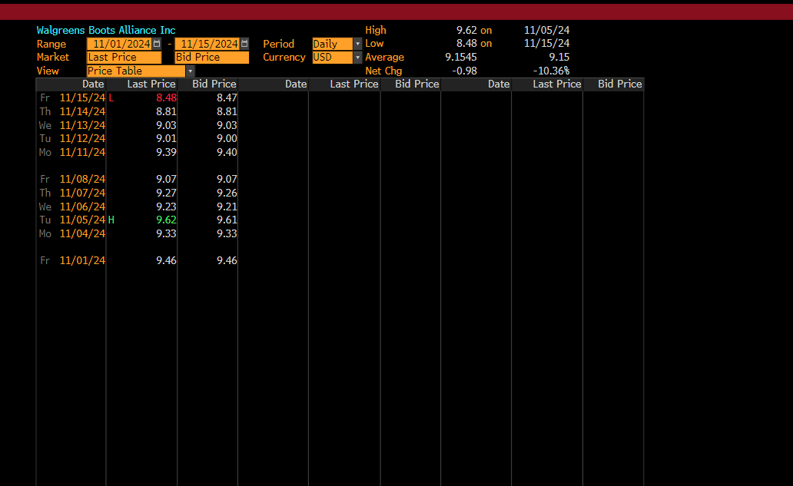
2024-01-11 | 9.46
2024-04-11 | 9.33
2024-05-11 | 9.62
2024-06-11 | 9.23
2024-07-11 | 9.27
2024-08-11 | 9.07
2024-11-11 | 9.39
2024-12-11 | 9.01
11-13-2024 | 9.03
11-14-2024 | 8.81
11-15-2024 | 8.48

Risk Free Rate
DATE | DGS1MO
2024-11-05 | 4.72
2024-11-06 | 4.68
2024-11-07 | 4.69
2024-11-08 | 4.7
2024-11-11 | .
2024-11-12 | 4.7
2024-11-13 | 4.69
2024-11-14 | 4.7
2024-11-15 | 4.7
 | 4.6975

